Sheet1
 |  | Document No. | Issue No. | Issue Date |  | Review and Replace Date |  | Authorised By
 |  | GFF477MC | 1 | 06.11.2024 |  | New Issue
 |  | Document Title | Gazebo-Onion Bhaji (100g) - 2000G- High Risk
 |  |  |  |  |  |  |  | Magda Shah
Document amendments reason for change |  | New document created | Page 1 of 1 |  | Previous Issue Date |  | New Issue | Uncontrolled copy unless signed original

FOBHL-B20B | Gazebo |  | Gazebo-Onion Bhaji (100g) - 2000G
STEP 1 |  |  |  |  | STEP 2
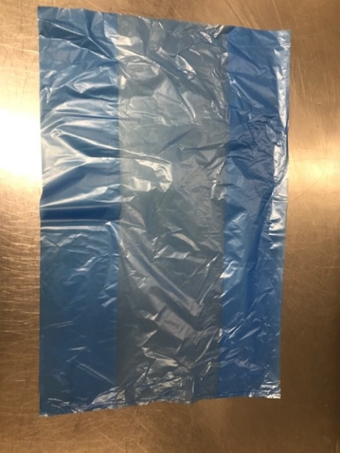
PACK DAY + 1 YEAR
NON-MAP PACK

Bag : Blue Bag (PKPMC001-02) |  |  |  |  | Onion Bhaji (100g)-GFF121R : 2000g

STEP 3
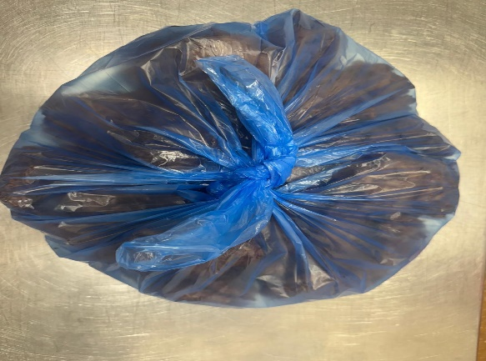

Onion Bhaji 100g (1X20 Units) -2000g
TOTAL WEIGHT: 2000g

ALLERGY ALERT: None

